Sheet1

PIONEER SERVICES



M/S Iqbal sons |  |  |  |  |  | 3-Feb-25

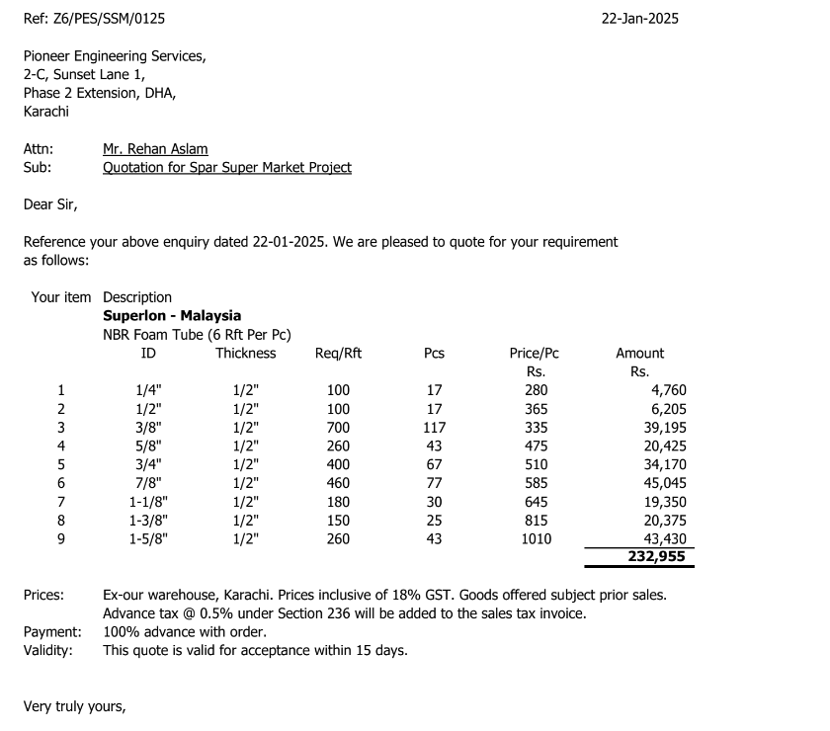
PO # 13897

Att: Mr. Amjad

PURCHASE ORDER

Supply of Super loan insulation for the project Spar super market
S No. | D e s c r i p t i o n | Size | Qty | Unit | Rate | Amount
 | Brand: Super loan
1 | Super loan insulation thickness 12mm | 1/4" | 300 | Rft | 47 | 14,000 | 8 | 280
3 | Super loan insulation thickness 12mm | 1/2" | 300 | Rft | 61 | 18,250 | 10 | 365
2 | Super loan insulation thickness 12mm | 3/8" | 1000 | Rft | 56 | 55,833 | 9 | 335
4 | Super loan insulation thickness 12mm | 5/8" | 600 | Rft | 79 | 47,500 | 13 | 475
5 | Super loan insulation thickness 12mm | 3/4" | 550 | Rft | 85 | 46,750 | 14 | 510
6 | Super loan insulation thickness 12mm | 7/8" | 260 | Rft | 98 | 25,350 | 16 | 585
 |  |  | TOTAL: |  |  | 207,683
Discount 6.5% |  |  |  |  |  | 13,499
Total amount |  |  |  |  |  | 194,184

Note: This PO is subject to the consultant's approval.

for Pioneer Engineering Services

